Sheet4
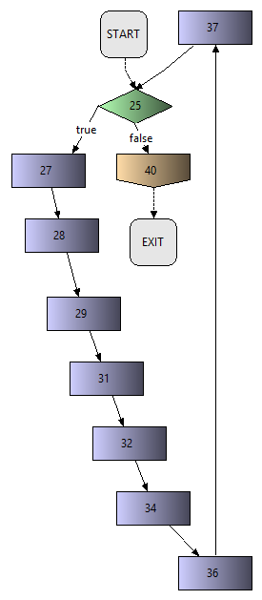
Method: | replaceAllforANDR
File | ANDR.java
Package: | ltlgenerator.andutils
Tester: | Roberto Fierro
Test case | Input | Path | Expected Output | Actual Output
1 | !((!(n.&X(m.&X(o.))))U(((a&!(n.&X(m.&X(o.)))&X(!b&!(n.&X(m.&X(o.)))U(b&!(n.&X(m.&X(o.)))&X(!c&!(n.&X(m.&X(o.)))U(c&!(n.&X(m.&X(o.)))))))))&l((!((d&!(n.&X(m.&X(o.)))&X(!e&!(n.&X(m.&X(o.)))U(e&!(n.&X(m.&X(o.)))&X(!h&!(n.&X(m.&X(o.)))U(h&!(n.&X(m.&X(o.))))))))))U(n.&X(m.&X(o.)))))) | [25, 27, 29, 31, 32, 34, 36, 37, 25, 40] | !((!(n.&X(m.&X(o.))))U(((a&!(n.&X(m.&X(o.)))&X(!b&!(n.&X(m.&X(o.)))U(b&!(n.&X(m.&X(o.)))&X(!c&!(n.&X(m.&X(o.)))U(c&!(n.&X(m.&X(o&((!((d&!(n.&X(m.&X(o.)))&X(!e&!(n.&X(m.&X(o.)))U(e&!(n.&X(m.&X(o.)))&X(!h&!(n.&X(m.&X(o.)))U(h&!(n.&X(m.&X(o.))))))))))U(n.&X(m.&X(o.))))))))))))))) | !((!(n.&X(m.&X(o.))))U(((a&!(n.&X(m.&X(o.)))&X(!b&!(n.&X(m.&X(o.)))U(b&!(n.&X(m.&X(o.)))&X(!c&!(n.&X(m.&X(o.)))U(c&!(n.&X(m.&X(o&((!((d&!(n.&X(m.&X(o.)))&X(!e&!(n.&X(m.&X(o.)))U(e&!(n.&X(m.&X(o.)))&X(!h&!(n.&X(m.&X(o.)))U(h&!(n.&X(m.&X(o.))))))))))U(n.&X(m.&X(o.)))))))))))))))

Sheet5
Method: | replaceANDL
File | ANDR.java
Package: | ltlgenerator.andutils
Tester: | Roberto Fierro
Test case | Input | Path | Expected Output | Actual Output
1 | right = ((!((d&!(n.&X(m.&X(o.)))&X(!e&!(n.&X(m.&X(o.)))U(e&!(n.&X(m.&X(o.)))&X(!h&!(n.&X(m.&X(o.)))U(h&!(n.&X(m.&X(o.))))))))))U(n.&X(m.&X(o.)))) left = ((a&!(n.&X(m.&X(o.)))&X(!b&!(n.&X(m.&X(o.)))U(b&!(n.&X(m.&X(o.)))&X(!c&!(n.&X(m.&X(o.)))U(c&!(n.&X(m.&X(o.))))))))) | [20] | ((a&!(n.&X(m.&X(o.)))&X(!b&!(n.&X(m.&X(o.)))U(b&!(n.&X(m.&X(o.)))&X(!c&!(n.&X(m.&X(o.)))U(c&!(n.&X(m.&X(o&((!((d&!(n.&X(m.&X(o.)))&X(!e&!(n.&X(m.&X(o.)))U(e&!(n.&X(m.&X(o.)))&X(!h&!(n.&X(m.&X(o.)))U(h&!(n.&X(m.&X(o.))))))))))U(n.&X(m.&X(o.))))))))))))) | ((a&!(n.&X(m.&X(o.)))&X(!b&!(n.&X(m.&X(o.)))U(b&!(n.&X(m.&X(o.)))&X(!c&!(n.&X(m.&X(o.)))U(c&!(n.&X(m.&X(o&((!((d&!(n.&X(m.&X(o.)))&X(!e&!(n.&X(m.&X(o.)))U(e&!(n.&X(m.&X(o.)))&X(!h&!(n.&X(m.&X(o.)))U(h&!(n.&X(m.&X(o.))))))))))U(n.&X(m.&X(o.))))))))))))) | 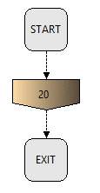

replaceAllforANDR
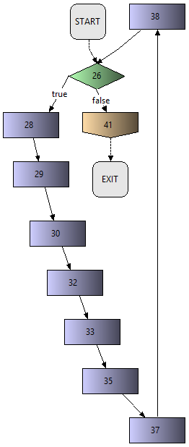
Method: | replaceAllforANDR
File | ANDR.java
Package: | ltlgenerator.andutils
Tester: | Roberto Fierro
Test case | Input | Path | Expected Output | Actual Output
1 | !((!(n.))U(((a.)&r!(n.))&l((!((d.)&r!(n.)))U(n.)))) | [26, 28, 29, 30, 32, 33, 35, 37, 38, 26, 28, 29, 30, 32, 33, 35, 37, 38, 26, 41] | !((!(n.))U(((a&!(n.)))&l((!((d&!(n.))))U(n.)))) | !((!(n.))U(((a&!(n.)))&l((!((d&!(n.))))U(n.))))

manageleft
Method: | manageleft
File | ANDUtils.java
Package: | ltlgenerator.andutils
Tester: | Roberto Fierro
Test case | Input | Path | Expected Output | Actual Output
1 | formula = !((!(n.&X(m.&X(o.))))U(((a&!(n.&X(m.&X(o.)))&X(!b&!(n.&X(m.&X(o.)))U(b&!(n.&X(m.&X(o.)))&X(!c&!(n.&X(m.&X(o.)))U(c&!(n.&X(m.&X(o.)))))))))&l((!((d&!(n.&X(m.&X(o.)))&X(!e&!(n.&X(m.&X(o.)))U(e&!(n.&X(m.&X(o.)))&X(!h&!(n.&X(m.&X(o.)))U(h&!(n.&X(m.&X(o.))))))))))U(n.&X(m.&X(o.)))))) pos = 138 | [19, 20, 21, 23, 24, 25, 26, 27, 28, 23, 24, 25, 26, 27, 28, 23, 24, 25, 26, 27, 28, 23, 24, 25, 26, 27, 28, 23, 24, 25, 26, 27, 28, 23, 24, 25, 26, 27, 28, 23, 24, 25, 26, 27, 28, 23, 24, 25, 26, 27, 28, 23, 24, 25, 26, 27, 28, 23, 24, 25, 26, 27, 28, 23, 24, 25, 26, 27, 28, 23, 24, 25, 26, 27, 28, 23, 24, 25, 26, 27, 28, 23, 24, 25, 26, 27, 28, 23, 24, 25, 26, 27, 28, 23, 24, 25, 26, 27, 28, 23, 24, 25, 26, 27, 28, 23, 24, 25, 26, 27, 28, 23, 24, 25, 26, 27, 28, 23, 24, 25, 26, 27, 28, 23, 24, 25, 26, 27, 28, 23, 24, 25, 26, 27, 28, 23, 24, 25, 26, 27, 28, 23, 24, 25, 26, 27, 28, 23, 24, 25, 26, 27, 28, 23, 24, 25, 26, 27, 28, 23, 24, 25, 26, 27, 28, 23, 24, 25, 26, 27, 28, 23, 24, 25, 26, 27, 28, 23, 24, 25, 26, 27, 28, 23, 24, 25, 26, 27, 28, 23, 24, 25, 26, 27, 28, 23, 24, 25, 26, 27, 28, 23, 24, 25, 26, 27, 28, 23, 24, 25, 26, 27, 28, 23, 24, 25, 26, 27, 28, 23, 24, 25, 26, 27, 28, 23, 24, 25, 26, 27, 28, 23, 24, 25, 26, 27, 28, 23, 24, 25, 26, 27, 28, 23, 24, 25, 26, 27, 28, 23, 24, 25, 26, 27, 28, 23, 24, 25, 26, 27, 28, 23, 24, 25, 26, 27, 28, 23, 24, 25, 26, 27, 28, 23, 24, 25, 26, 27, 28, 23, 24, 25, 26, 27, 28, 23, 24, 25, 26, 27, 28, 23, 24, 25, 26, 27, 28, 23, 24, 25, 26, 27, 28, 23, 24, 25, 26, 27, 28, 23, 24, 25, 26, 27, 28, 23, 24, 25, 26, 27, 28, 23, 24, 25, 26, 27, 28, 23, 24, 25, 26, 27, 28, 23, 24, 25, 26, 27, 28, 23, 24, 25, 26, 27, 28, 23, 24, 25, 26, 27, 28, 23, 24, 25, 26, 27, 28, 23, 24, 25, 26, 27, 28, 23, 24, 25, 26, 27, 28, 23, 24, 25, 26, 27, 28, 23, 24, 25, 26, 27, 28, 23, 24, 25, 26, 27, 28, 23, 24, 25, 26, 27, 28, 23, 24, 25, 26, 27, 28, 23, 24, 25, 26, 27, 28, 23, 24, 25, 26, 27, 28, 23, 24, 25, 26, 27, 28, 23, 24, 25, 26, 27, 28, 23, 24, 25, 26, 27, 28, 23, 24, 25, 26, 27, 28, 23, 24, 25, 26, 27, 28, 23, 24, 25, 26, 27, 28, 23, 24, 25, 26, 27, 28, 23, 24, 25, 26, 27, 28, 23, 24, 25, 26, 27, 28, 23, 24, 25, 26, 27, 28, 23, 24, 25, 26, 27, 28, 23, 24, 25, 26, 27, 28, 23, 24, 25, 26, 27, 28, 23, 24, 25, 26, 27, 28, 23, 24, 25, 26, 27, | 23 | 23 | 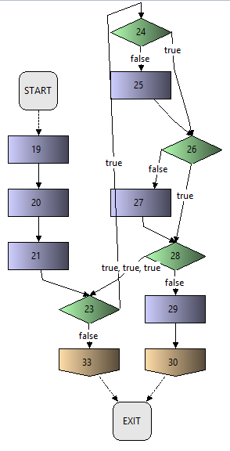
2 | formula = Don't Care pos = -1 | [19, 20, 21, 33] | 0 | 0

manageright
Method: | manageright
File | ANDUtils.java
Package: | ltlgenerator.andutils
Tester: | Roberto Fierro
Test case | Input | Path | Expected Output | Actual Output
1 | pos = 138 formula = !((!(n.&X(m.&X(o.))))U(((a&!(n.&X(m.&X(o.)))&X(!b&!(n.&X(m.&X(o.)))U(b&!(n.&X(m.&X(o.)))&X(!c&!(n.&X(m.&X(o.)))U(c&!(n.&X(m.&X(o.)))))))))&l((!((d&!(n.&X(m.&X(o.)))&X(!e&!(n.&X(m.&X(o.)))U(e&!(n.&X(m.&X(o.)))&X(!h&!(n.&X(m.&X(o.)))U(h&!(n.&X(m.&X(o.))))))))))U(n.&X(m.&X(o.)))))) | [37, 38, 39, 41, 42, 43, 44, 45, 46, 41, 42, 43, 44, 45, 46, 41, 42, 43, 44, 45, 46, 41, 42, 43, 44, 45, 46, 41, 42, 43, 44, 45, 46, 41, 42, 43, 44, 45, 46, 41, 42, 43, 44, 45, 46, 41, 42, 43, 44, 45, 46, 41, 42, 43, 44, 45, 46, 41, 42, 43, 44, 45, 46, 41, 42, 43, 44, 45, 46, 41, 42, 43, 44, 45, 46, 41, 42, 43, 44, 45, 46, 41, 42, 43, 44, 45, 46, 41, 42, 43, 44, 45, 46, 41, 42, 43, 44, 45, 46, 41, 42, 43, 44, 45, 46, 41, 42, 43, 44, 45, 46, 41, 42, 43, 44, 45, 46, 41, 42, 43, 44, 45, 46, 41, 42, 43, 44, 45, 46, 41, 42, 43, 44, 45, 46, 41, 42, 43, 44, 45, 46, 41, 42, 43, 44, 45, 46, 41, 42, 43, 44, 45, 46, 41, 42, 43, 44, 45, 46, 41, 42, 43, 44, 45, 46, 41, 42, 43, 44, 45, 46, 41, 42, 43, 44, 45, 46, 41, 42, 43, 44, 45, 46, 41, 42, 43, 44, 45, 46, 41, 42, 43, 44, 45, 46, 41, 42, 43, 44, 45, 46, 41, 42, 43, 44, 45, 46, 41, 42, 43, 44, 45, 46, 41, 42, 43, 44, 45, 46, 41, 42, 43, 44, 45, 46, 41, 42, 43, 44, 45, 46, 41, 42, 43, 44, 45, 46, 41, 42, 43, 44, 45, 46, 41, 42, 43, 44, 45, 46, 41, 42, 43, 44, 45, 46, 41, 42, 43, 44, 45, 46, 41, 42, 43, 44, 45, 46, 41, 42, 43, 44, 45, 46, 41, 42, 43, 44, 45, 46, 41, 42, 43, 44, 45, 46, 41, 42, 43, 44, 45, 46, 41, 42, 43, 44, 45, 46, 41, 42, 43, 44, 45, 46, 41, 42, 43, 44, 45, 46, 41, 42, 43, 44, 45, 46, 41, 42, 43, 44, 45, 46, 41, 42, 43, 44, 45, 46, 41, 42, 43, 44, 45, 46, 41, 42, 43, 44, 45, 46, 41, 42, 43, 44, 45, 46, 41, 42, 43, 44, 45, 46, 41, 42, 43, 44, 45, 46, 41, 42, 43, 44, 45, 46, 41, 42, 43, 44, 45, 46, 41, 42, 43, 44, 45, 46, 41, 42, 43, 44, 45, 46, 41, 42, 43, 44, 45, 46, 41, 42, 43, 44, 45, 46, 41, 42, 43, 44, 45, 46, 41, 42, 43, 44, 45, 46, 41, 42, 43, 44, 45, 46, 41, 42, 43, 44, 45, 46, 41, 42, 43, 44, 45, 46, 41, 42, 43, 44, 45, 46, 41, 42, 43, 44, 45, 46, 41, 42, 43, 44, 45, 46, 41, 42, 43, 44, 45, 46, 41, 42, 43, 44, 45, 46, 41, 42, 43, 44, 45, 46, 41, 42, 43, 44, 45, 46, 41, 42, 43, 44, 45, 46, 41, 42, 43, 44, 45, 46, 41, 42, 43, 44, 45, 46, 41, 42, 43, 44, 45, 46, 41, 42, 43, 44, 45, 46, 41, 42, 43, 44, 45, | 276 | 276 | 
2 | formula = Empty String pos = Don't Care | [37, 38, 39, 51] | 0 | 0

